ADIDAS
StyleCode | MODEL | PHOTOS | Q.TY | 1.0 | 2.0 | 2.5 | 3.0 | 3.5 | 4.0 | 4.5 | 5.0 | 5.5 | 6.0 | 6.5 | 7.0 | 7.5 | 8.0 | 8.5 | 9.0 | 9.5 | 10.0 | 10.5 | 11.0 | 11.5 | 12.0 | 12.5 | 13.0
DA9611 | Adidas PW HU Stan Smith HOLI BC | 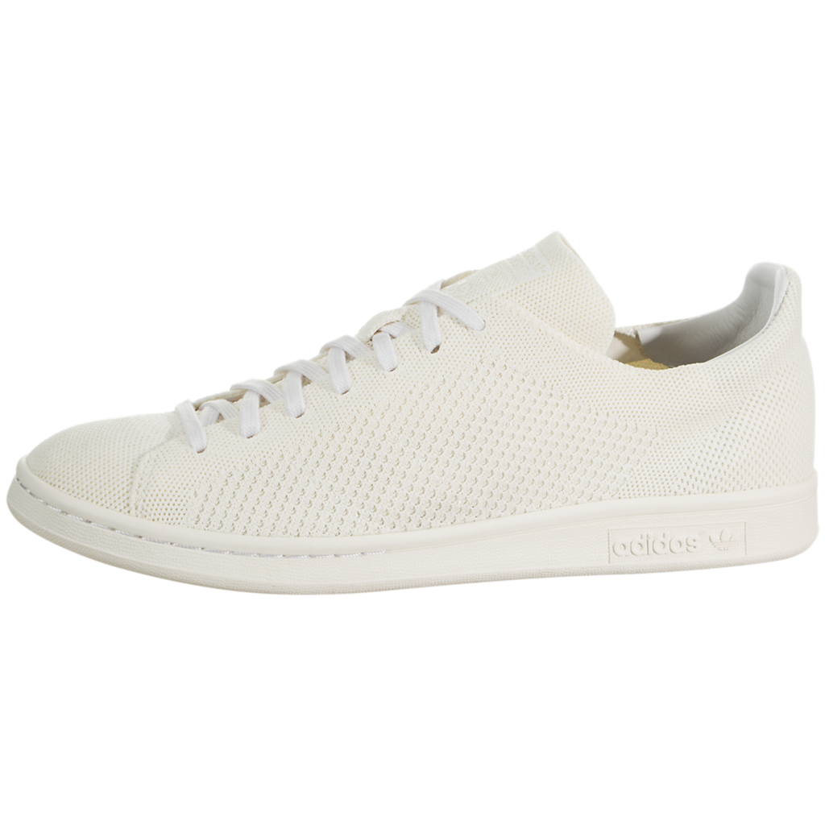 | 116 |  |  |  |  |  |  | 11 | 15 | 12 | 9 |  | 5 | 8 | 11 | 14 | 12 | 9 | 10
CM8191 | Adidas Stan Smith J Black / Blue | 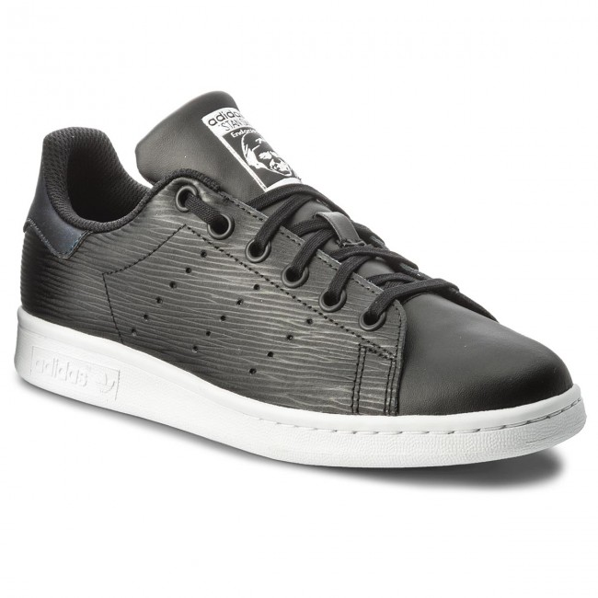 | 35 |  |  |  | 5 | 8 | 7 | 9 | 4 | 2
BY9983 | Adidas Stan Smith J Blue / Blue | 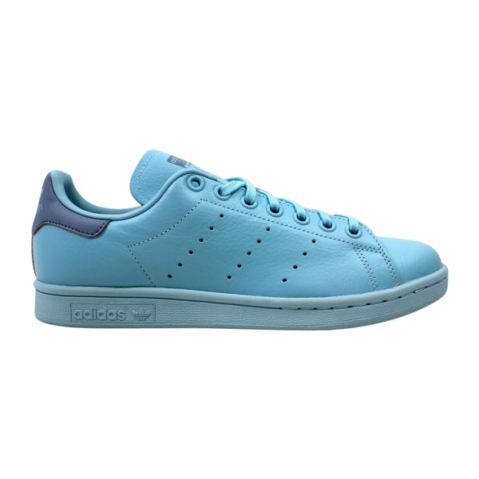 | 27 |  |  |  | 5 | 4 | 6 | 7 | 5
BY9984 | Adidas Stan Smith J White / Alcantara Green |  | 86 |  |  |  | 5 | 8 | 8 | 11 | 9 | 12 |  |  | 6 | 8 | 4 | 3 | 9 | 2 | 1
BY9985 | Adidas Stan Smith J White / Black | 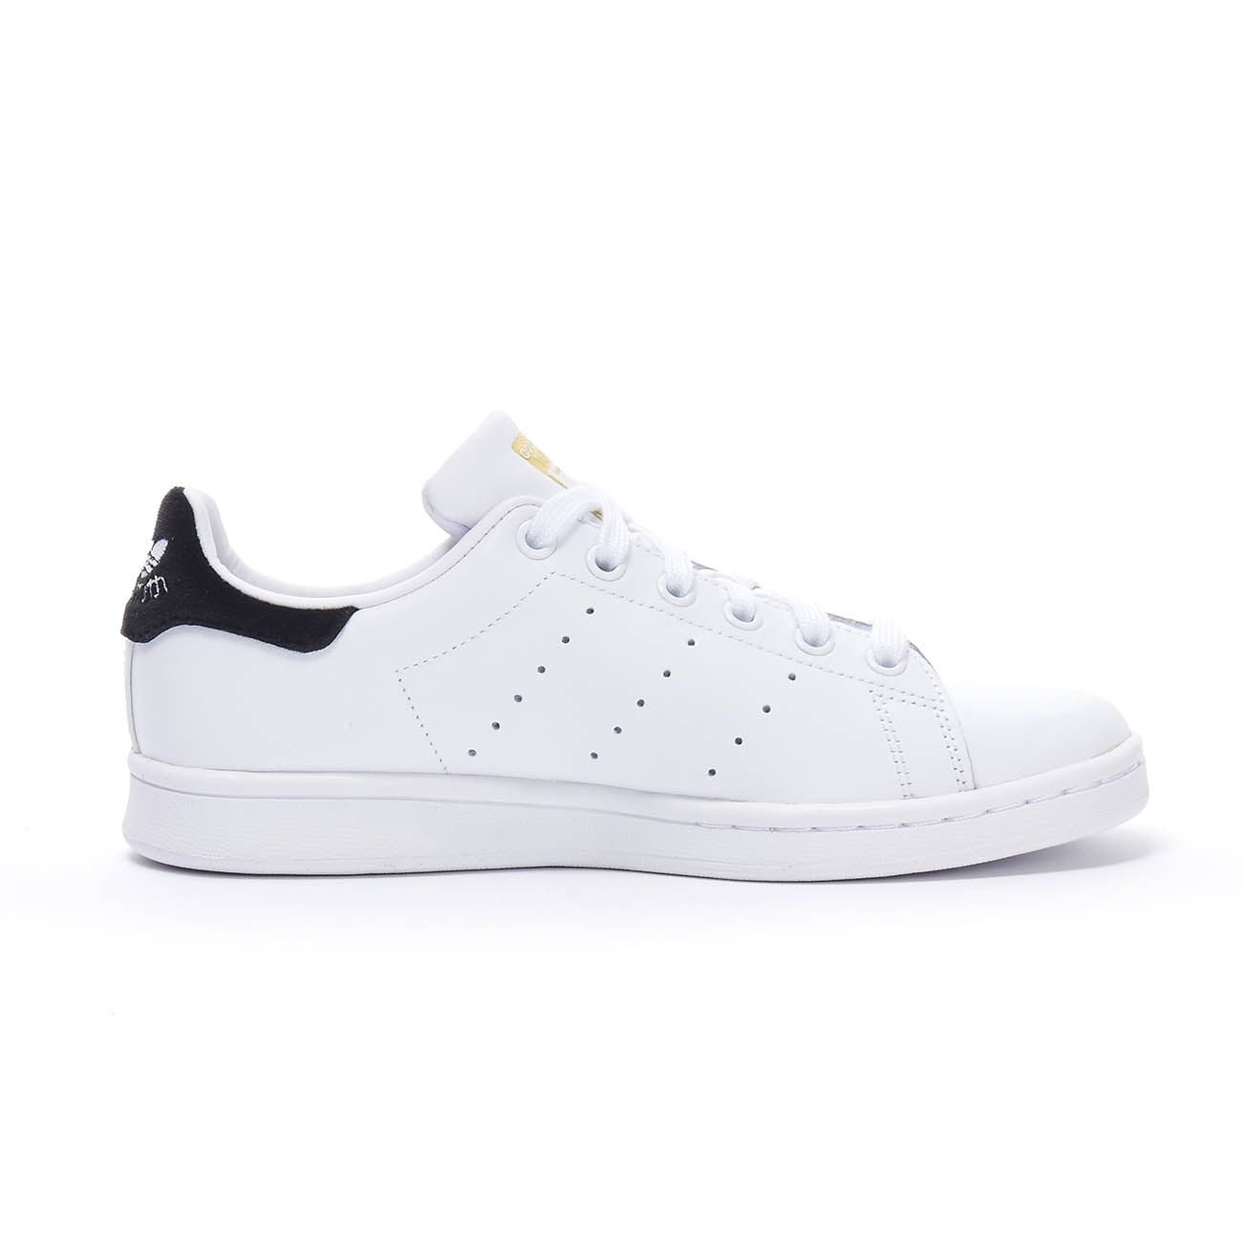 | 145 |  |  |  | 11 | 15 | 12 | 14 | 12 | 7 |  |  | 8 | 14 | 16 | 11 | 18 | 7
BB0209 | Adidas Stan Smith J White / Gold | 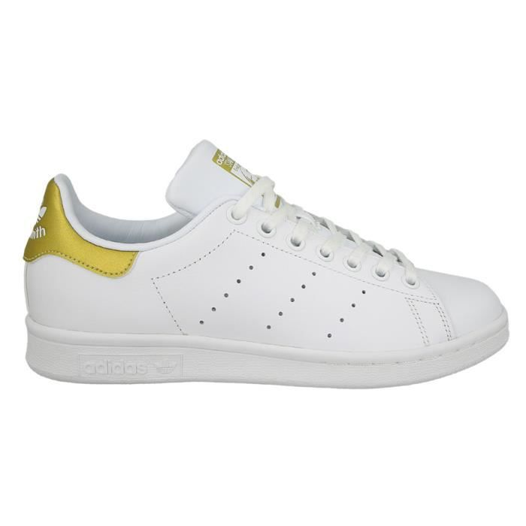 | 74 |  |  |  | 6 | 5 | 4 | 8 | 6 | 4 |  |  | 5 | 7 | 8 | 9 | 7 | 5
DB1200 | Adidas Stan Smith J White / Gray | 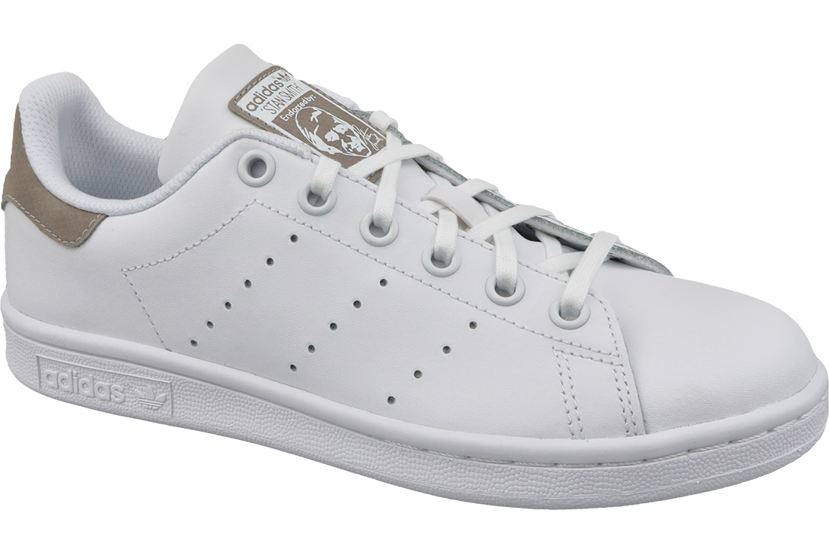 | 70 |  |  |  | 3 | 11 | 4 | 8 | 2 | 1 |  |  | 8 | 9 | 4 | 12 | 5 | 3
M20605 | Adidas Stan Smith J White / Green | 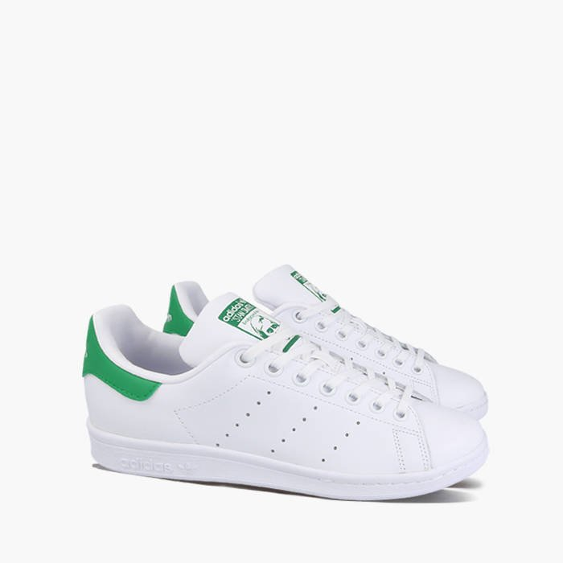 | 55 |  |  |  | 9 | 15 | 7 | 6 | 14 | 4
AQ6272 | Adidas Stan Smith J White / Hologram | 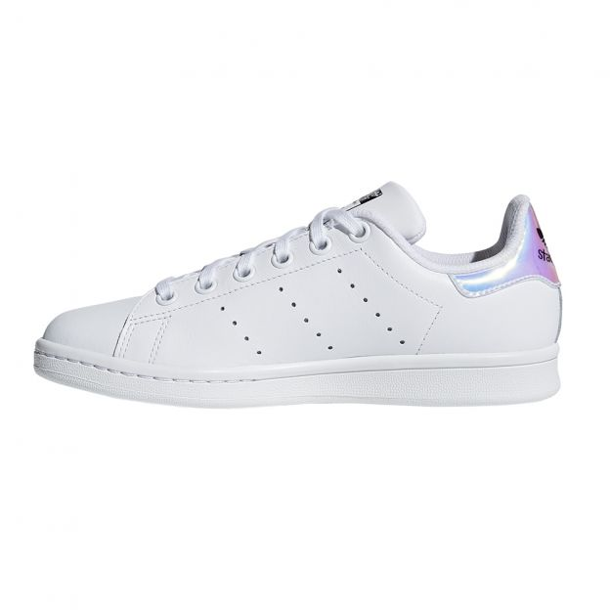 | 36 |  |  |  | 9 | 8 | 7 | 5 | 4 | 3
B32703 | Adidas Stan Smith J White / Pink | 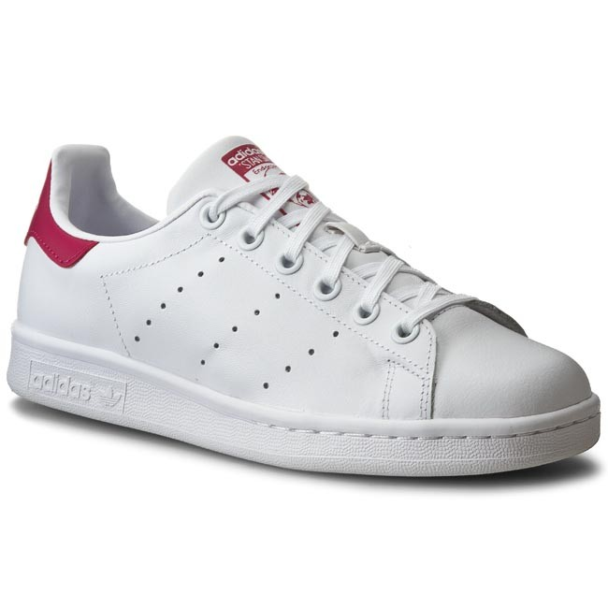 | 68 |  |  |  | 12 | 9 | 11 | 15 | 9 | 12
CP9810 | Adidas Stan Smith J White / Tacblue | 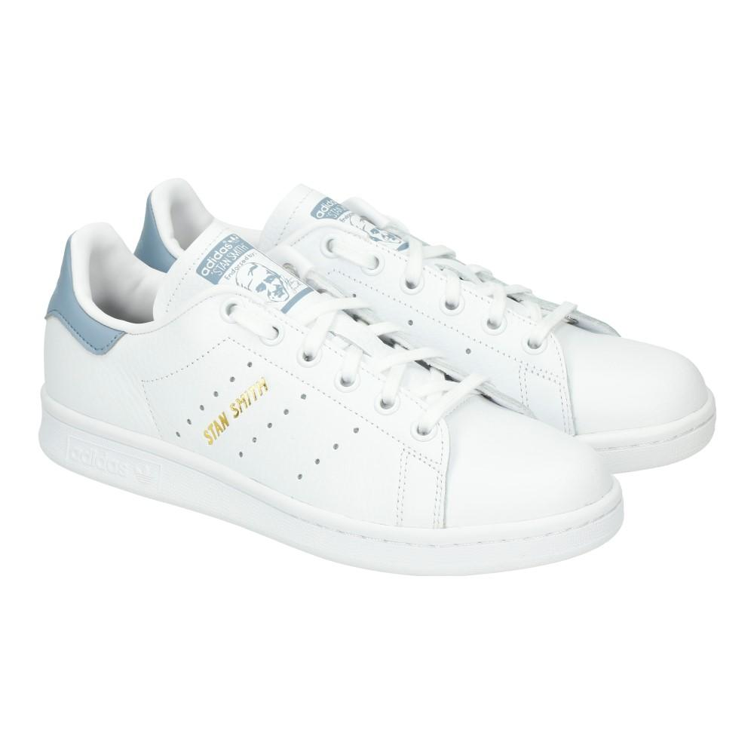 | 81 |  |  |  | 11 | 14 | 16 | 15 | 14 | 11
S76330 | Adidas Stan Smith J White / White | 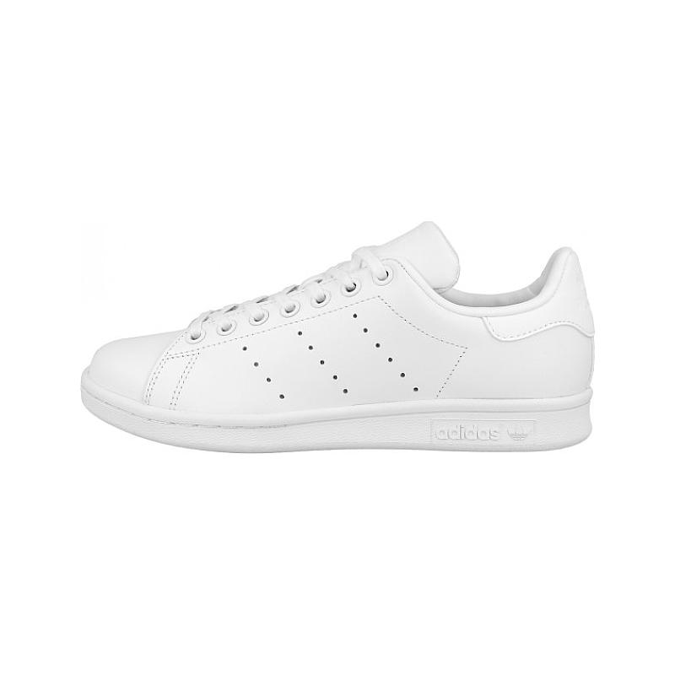 | 59 |  |  |  | 13 | 12 | 11 | 9 | 8 | 6
BA8377 | Adidas Stan Smith K White / Pink | 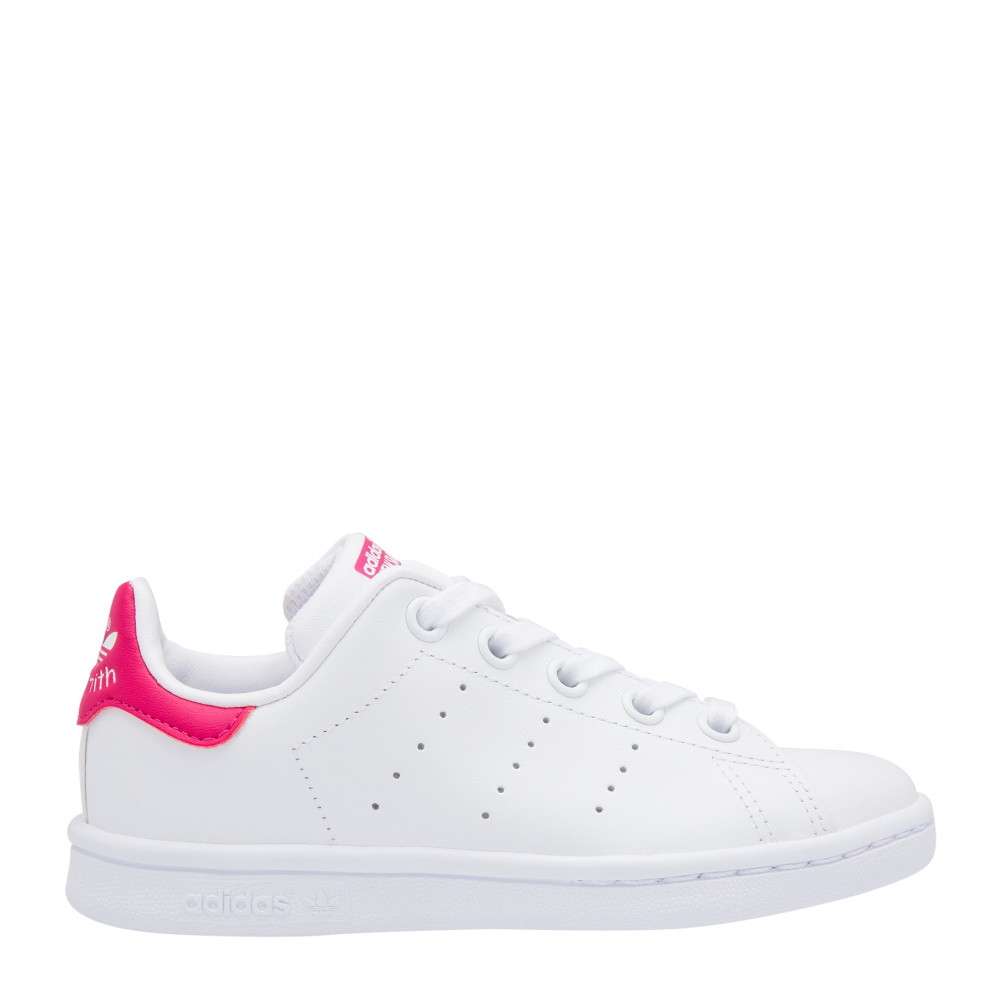 | 48 |  |  |  | 8 | 7 | 6 | 11 | 9 | 7
M20325 | Adidas Stan Smith M White / Blue | 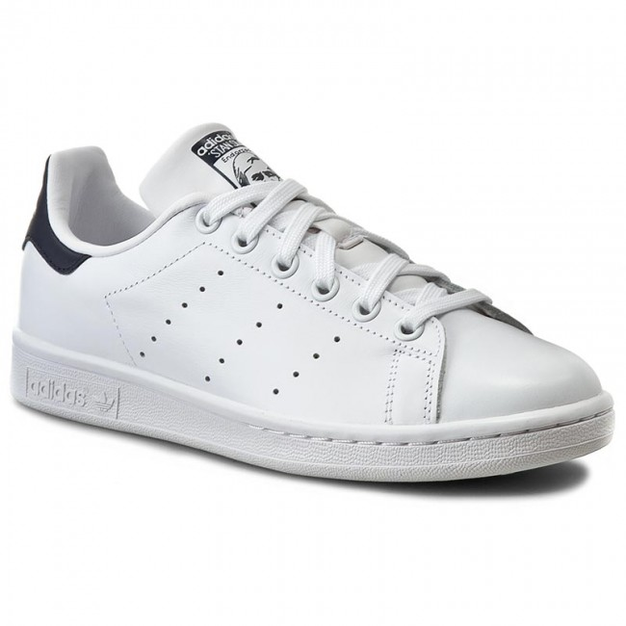 | 57 |  |  |  |  |  |  |  |  |  |  |  |  |  |  | 5 | 11 | 12 | 8 | 9 | 7 | 5
C77154 | Adidas Superstar J OG White / Black | 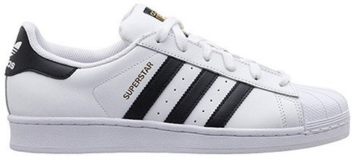 | 58 |  |  |  | 8 | 9 | 11 | 8 | 10 | 12
C77124 | Adidas Superstar M OG White / Black | 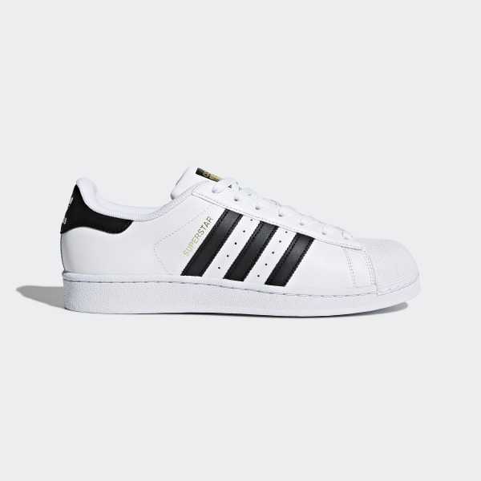 | 84 |  |  |  |  |  |  |  |  |  |  |  |  |  | 11 | 7 | 12 | 15 | 14 | 16 | 9
 |  |  | 1099

